Sheet1
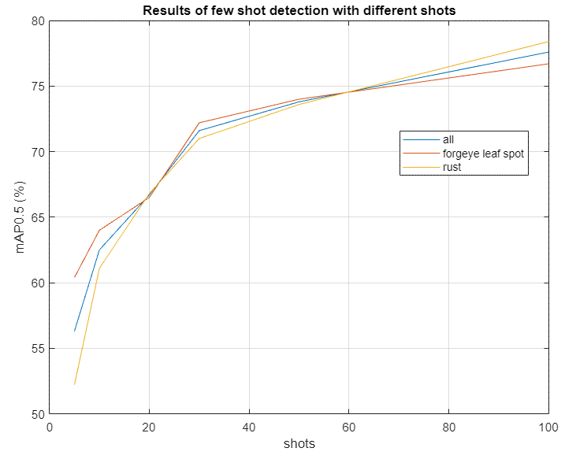
 | Classes | Precision | Recall | mAP0.5
YOLOv5m | all frogeye rust | 85.3% 86.2% 84.4% | 81.85% 79.3% 84.4% | 86.75% 86% 87.5%
YOLOv5m - 5 shot | all frogeye rust | 61% 64.8% 57.2% | 55.2% 58.5% 51.9% | 56.3% 60.4% 52.2%
YOLOv5m - 10 shot | all frogeye rust | 66% 72.2% 59.8% | 58.1% 55.8% 60.3% | 62.5% 64% 61.1%
YOLOv5m - 20 shot | all frogeye rust | 69.9% 69.7% 70% | 61.6% 62.2% 61.1% | 66.7% 66.5% 66.8%
YOLOv5m - 30 shot | all frogeye rust | 74.5% 76.8% 72.2% | 57.3 | 71.6% 72.2% 71%
YOLOv5m - 50 shot | all frogeye rust | 76.2% 77.1% 75.4% | 68% 68% 67.9% | 73.8% 74% 73.6%
YOLOv5m - 100 shot | all frogeye rust | 79.8% 81.7% 77.8% | 70.6% 67.6% 73.6% | 77.6% 76.7% 78.4%

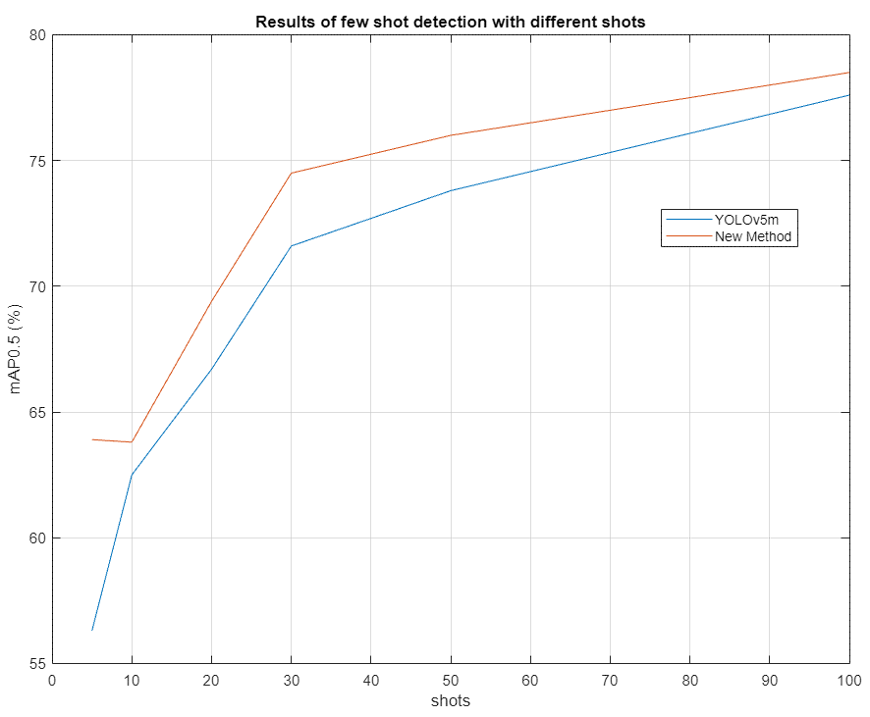
 | Classes | Precision | Recall | mAP0.5 |  | Classes | Precision | Recall | mAP0.5
YOLOv5m - 5 shot | all frogeye rust | 61% 64.8% 57.2% | 55.2% 58.5% 51.9% | 56.3% 60.4% 52.2% | New - 5 shot | all frogeye rust | 67.1% 68.8% 65.4% | 59.8% 60.8% 58.9% | 63.9% 64.9% 62.8%
YOLOv5m - 10 shot | all frogeye rust | 66% 72.2% 59.8% | 58.1% 55.8% 60.3% | 62.5% 64% 61.1% | New - 10 shot | all frogeye rust | 66.7% 75.2% 58.1% | 59.4% 52.9% 65.9% | 63.8% 64.6% 62.9%
YOLOv5m - 20 shot | all frogeye rust | 69.9% 69.7% 70% | 61.6% 62.2% 61.1% | 66.7% 66.5% 66.8% | New - 20 shot | all frogeye rust | 72.3% 73.9% 70.6% | 64% 61.4% 66.6% | 69.4% 68.6% 70.1%
YOLOv5m - 30 shot | all frogeye rust | 74.5% 76.8% 72.2% | 66.2% 65% 67.3% | 71.6% 72.2% 71% | New - 30 shot | all frogeye rust | 78% 76% 80.1% | 67.6% 67.5% 67.7% | 74.5% 73.7% 77.3%
YOLOv5m - 50 shot | all frogeye rust | 76.2% 77.1% 75.4% | 68% 68% 67.9% | 73.8% 74% 73.6% | New - 50 shot | all frogeye rust | 77.4% 73.8% 81.1% | 69.8% 71.7% 68% | 76% 75.2% 76.9%
YOLOv5m - 100 shot | all frogeye rust | 79.8% 81.7% 77.8% | 70.6% 67.6% 73.6% | 77.6% 76.7% 78.4% | New - 100 shot | all frogeye rust | 79.8% 77.4% 82.1% | 71.1% 70.7% 71.6% | 78.5% 76.7% 80.3%

 | Classes | Precision | Recall | mAP0.5 |  | Classes | Precision | Recall | mAP0.5
New - 5 shot | all frogeye rust | 67.1% 68.8% 65.4% | 59.8% 60.8% 58.9% | 63.9% 64.9% 62.8% | New - 5 shot with COCO 5 shot | all frogeye rust | 58.6% 59.3% 57.9% | 57.4% 63.3% 51.6% | 58.1% 62% 54.2%

Group 5: |  |  |  |  |  |  |  |  |  |  | Group 10:
1 | YOLOv5m - 5 shot | all frogeye rust | 61% 64.8% 57.2% | 55.2% 58.5% 51.9% | 56.3% 60.4% 52.2% | New - 5 shot | all frogeye rust | 67.1% 68.8% 65.4% | 59.8% 60.8% 58.9% | 63.9% 64.9% 62.8% | 1 | YOLOv5m - 10 shot | all frogeye rust | 66% 72.2% 59.8% | 58.1% 55.8% 60.3% | 62.5% 64% 61.1% | New - 10 shot | all frogeye rust | 66.7% 75.2% 58.1% | 59.4% 52.9% 65.9% | 63.8% 64.6% 62.9%
2 | YOLOv5m - 5 shot | all frogeye rust | 59.7% 55.4% 61% | 55.4% 64.2% 46.5% | 56.4% 60.4% 52.4% | New - 5 shot | all frogeye rust | 64.3% 60.6% 68% | 58.6% 67% 50.2% | 61.2% 63.9% 58.5% | 2 | YOLOv5m - 10 shot | all frogeye rust | 63.9% 49.6% 78.3% | 57.3% 73.6% 41.1% | 61.8% 65.7% 57.9% | New - 10 shot | all frogeye rust | 72.8% 72.5% 73% | 65.1% 64.9% 65.3% | 70.1% 69.4% 70.8%
3 | YOLOv5m - 5 shot | all frogeye rust | 57% 66.5% 47.6% | 59.5% 52.3% 66.6% | 57.6% 58.1% 57.1% | New - 5 shot | all frogeye rust | 65.3% 68.5% 62.2% | 60.8% 60.8% 60.9% | 63.4% 64.7% 62.1% | 3 | YOLOv5m - 10 shot | all frogeye rust | 63.9% 63.9% 63.9% | 57.7% 63.6% 51.8% | 60% 63.2% 56.7% | New - 10 shot | all frogeye rust | 66.4% 69.9% 62.8% | 59.7% 61.4% 58% | 64% 66.5% 61.6%
4 | YOLOv5m - 5 shot | all frogeye rust | 60% 60.2% 59.8% | 58.2% 63.1% 53.3% | 58.4% 61% 55.7% | New - 5 shot | all frogeye rust | 66.6% 67.9% 64.1% | 60.5% 64.2% 56.9% | 63.7% 66.8% 60.7% | 4 | YOLOv5m - 10 shot | all frogeye rust | 64.1% 63.6% 64.5% | 56.7% 61.6% 51.8% | 59.7% 62.5% 56.9% | New - 10 shot | all frogeye rust | 68.3% 64.7% 71.9% | 60% 64.1% 55.9% | 65.1% 65.5% 64.6%
5 | YOLOv5m - 5 shot | all frogeye rust | 54.5% 57.9% 51.2% | 52.9% 52.6% 53.1% | 50.6% 51.8% 49.4% | New - 5 shot | all frogeye rust | 63.1% 69.4% 56.7% | 55.4% 51.8% 59% | 59.6% 60.4% 58.8% | 5 | YOLOv5m - 10 shot | all frogeye rust | 65.6% 61.1% 70.1% | 57% 62.3% 51.7% | 61.8% 62.8% 60.9% | New - 10 shot | all frogeye rust | 67.7% 68.5% 66.9% | 61.8% 62.7% 60.9% | 65.8% 66.4% 65.3%
6 | YOLOv5m - 5 shot | all frogeye rust | 58.2% 61.9% 54.5% | 57.1% 55.2% 59.1% | 56.6% 57.4% 55.9% | New - 5 shot | all frogeye rust | 67.4% 62.7% 72.1% | 59.8% 65.5% 54.1% | 63.5% 65.1% 61.8% | 6 | YOLOv5m - 10 shot | all frogeye rust | 65.4% 61.4% 69.4% | 60.5% 67.1% 53.9% | 63% 64.3% 61.6% | New - 10 shot | all frogeye rust | 70.3% 68.4% 72.1% | 63.4% 66.8% 60% | 67.5% 68.6% 66.3%
7 | YOLOv5m - 5 shot | all frogeye rust | 47% 53.6% 40.5% | 56.2% 54.5% 57.8% | 48% 52.7% 43.3% | New - 5 shot | all frogeye rust | 62.5% 68.1% 57% | 55.5% 55.3% 55.7% | 59.4% 61.8% 57% | 7 | YOLOv5m - 10 shot | all frogeye rust | 54.1% 53% 55.1% | 59.4% 67.9% 51% | 56.2% 59.9% 52.6% | New - 10 shot | all frogeye rust | 63.4% 59.5% 67.2% | 60.4% 67.3% 53.6% | 63.6% 65.3% 61.9%
8 | YOLOv5m - 5 shot | all frogeye rust | 53% 39.7% 66.3% | 53% 73.9% 32.1% | 51.8% 58.2% 45.4% | New - 5 shot | all frogeye rust | 58.3% 43.6% 73% | 59.2% 73.2% 45.2% | 59.4% 62% 56.7% | 8 | YOLOv5m - 10 shot | all frogeye rust | 62.2% 58.6% 65.9% | 56.6% 64.4% 48.7% | 59.8% 61.9% 57.6% | New - 10 shot | all frogeye rust | 66.2% 60.8% 71.5% | 58.8% 62.1% 55.5% | 63.4% 62.7% 64.2%
9 | YOLOv5m - 5 shot | all frogeye rust | 56.3% 55.8% 56.9% | 56.1% 64.1% 48.1% | 55.4% 59.3% 51.4% | New - 5 shot | all frogeye rust | 59.8% 60.8% 58.7% | 58.5% 60.2% 56.7% | 58.5% 61.6% 55.4% | 9 | YOLOv5m - 10 shot | all frogeye rust | 64.6% 63.5% 65.7% | 62.2% 67% 57.5% | 65% 67.3% 62.8% | New - 10 shot | all frogeye rust | 64.7% 65.2% 64.2% | 62.2% 65.3% 59.2% | 65% 65.9% 64.2%
10 | YOLOv5m - 5 shot | all frogeye rust | 56.1% 52.1% 60.1% | 51.2% 59.2% 43.2% | 51.1% 52.6% 49.6% | New - 5 shot | all frogeye rust | 60.3% 57.2% 63.4% | 57.5% 60% 54.9% | 58.6% 59% 58.2% | 10 | YOLOv5m - 10 shot | all frogeye rust | 63.1% 58.6% 67.6% | 54.8% 63.8% 45.8% | 58.7% 61.8% 55.7% | New - 10 shot | all frogeye rust | 69.8% 65.3% 74.3% | 56.6% 63.9% 49.2% | 64.1% 66.4% 61.8%
11 | YOLOv5m - 5 shot | all frogeye rust | 55.7% 64.5% 46.9% | 53.6% 53% 54.2% | 50.7% 56.8% 44.7% | New - 5 shot | all frogeye rust | 59.3% 63.9% 54.7% | 57.8% 60.2% 55.4% | 57.6% 62.1% 53.1% | 11 | YOLOv5m - 10 shot | all frogeye rust | 63.1% 58.5% 67.7% | 59.8% 67.3% 52.3% | 60.7% 62% 59.4% | New - 10 shot | all frogeye rust | 68.2% 60.5% 75.8% | 62.4% 67.9% 56.9% | 65.5% 63.8% 67.3%
12 | YOLOv5m - 5 shot | all frogeye rust | 58.2% 61.9% 54.5% | 57.1% 55.2% 59.1% | 56.6% 57.4% 55.9% | New - 5 shot | all frogeye rust | 65.9% 68.6% 63.2% | 58.2% 57.6% 58.8% | 62% 63% 61% | 12 | YOLOv5m - 10 shot | all frogeye rust | 65.6% 69.6% 61.6% | 59.1% 59.8% 58.3% | 62.7% 65.5% 60% | New - 10 shot | all frogeye rust | 67.4% 75.7% 59.2% | 58.4% 55% 61.8% | 64% 66.6% 61.4%
13 | YOLOv5m - 5 shot | all frogeye rust | 56.6% 56.3% 57% | 55.3% 58.4% 52.3% | 52.8% 54% 51.7% | New - 5 shot | all frogeye rust | 59.1% 54.9% 63.4% | 55.7% 58.3% 53.1% | 56.1% 55.3% 56.9% | 13 | YOLOv5m - 10 shot | all frogeye rust | 66.7% 62.9% 70.5% | 60% 63.9% 56% | 63.3% 63.8% 62.9% | New - 10 shot | all frogeye rust | 68.4% 72.9% 63.8% | 59.9% 54.9% 64.9% | 65.7% 65.1% 66.3%
14 | YOLOv5m - 5 shot | all frogeye rust | 63.1% 63.4% 62.8% | 55.1% 57.9% 52.2% | 57.5% 59.9% 55.1% | New - 5 shot | all frogeye rust | 63.1% 66.5% 59.6% | 57.2% 58.1% 56.3% | 60.4% 62.6% 58.2% | 14 | YOLOv5m - 10 shot | all frogeye rust | 60.7% 53.2% 68.3% | 55.8% 68.1% 43.5% | 59.2% 63.1% 55.3% | New - 10 shot | all frogeye rust | 68.9% 61.4% 76.4% | 59.1% 69.4% 48.7% | 65.7% 68.1% 63.3%
15 | YOLOv5m - 5 shot | all frogeye rust | 62.8% 63.6% 62% | 58.8% 62.5% 55.1% | 60.1% 61.9% 58.3% | New - 5 shot | all frogeye rust | 64% 59.3% 68.7% | 58.9% 64.8% 53% | 61.5% 62.2% 60.8% | 15 | YOLOv5m - 10 shot | all frogeye rust | 58% 49.4% 66.5% | 54.4% 71.1% 37.6% | 55.8% 62.3% 49.3% | New - 10 shot | all frogeye rust | 61.8% 54.5% 69.2% | 54.9% 68.7% 41.1% | 58.3% 64.2% 52.4%
16 | YOLOv5m - 5 shot | all frogeye rust | 58% 56.5% 59.6% | 55.6% 63.5% 47.8% | 55.4% 59.3% 51.4% | New - 5 shot | all frogeye rust | 61.5% 60.3% 62.7% | 54.2% 60.4% 48% | 57.4% 61.7% 53.2% | 16 | YOLOv5m - 10 shot | all frogeye rust | 62.9% 63.7% 62% | 58.6% 61.3% 55.9% | 61% 62.2% 59.8% | New - 10 shot | all frogeye rust | 70.6% 69% 72.1% | 61% 61.5% 60.6% | 67.4% 67.7% 67.1%
17 | YOLOv5m - 5 shot | all frogeye rust | 52.4% 51.6% 53.3% | 55.9% 64.8% 47% | 51.9% 56.8% 46.9% | New - 5 shot | all frogeye rust | 63.6% 56.7% 70.6% | 54.9% 62.7% 47.2% | 58.3% 58.4% 58.2% | 17 | YOLOv5m - 10 shot | all frogeye rust | 61.6% 64.8% 58.4% | 56.5% 59% 54.1% | 58.4% 60.5% 56.3% | New - 10 shot | all frogeye rust | 68.9% 67.5% 70.2% | 60.6% 62.9% 58.2% | 65.3% 65.6% 65%
18 | YOLOv5m - 5 shot | all frogeye rust | 53.3% 47.7% 58.8% | 52.8% 67.6% 37.9% | 50% 55.2% 44.9% | New - 5 shot | all frogeye rust | 54.8% 42.7% 66.8% | 57.5% 72.6% 42.3% | 57% 60.7% 53.2% | 18 | YOLOv5m - 10 shot | all frogeye rust | 64% 73.3% 54.8% | 60.2% 54.5% 65.9% | 62.8% 63.4% 62.3% | New - 10 shot | all frogeye rust | 70.6% 69.1% 72.1% | 60.4% 61.6% 59.2% | 66% 65.6% 66.3%
19 | YOLOv5m - 5 shot | all frogeye rust | 60.8% 65.6% 56% | 56.2% 58.3% 54.2% | 57.1% 61% 53.2% | New - 5 shot | all frogeye rust | 63.6% 61.6% 65.6% | 58.6% 63.9% 53.4% | 60.3% 61.9% 58.7% | 19 | YOLOv5m - 10 shot | all frogeye rust | 70% 66.5% 73.5% | 60.8% 66.6% 55% | 65.9% 67% 64.8% | New - 10 shot | all frogeye rust | 70.7% 70.4% 71% | 62.4% 63.4% 61.5% | 67.8% 68.3% 67.3%
20 | YOLOv5m - 5 shot | all frogeye rust | 57.2% 56.5% 57.8% | 55.3% 58.1% 52.6% | 54.6% 55.1% 54.2% | New - 5 shot | all frogeye rust | 58.7% 56.3% 61.2% | 56.9% 58.7% 55.1% | 56.4% 56.7% 56.1% | 20 | YOLOv5m - 10 shot | all frogeye rust | 67.4% 69% 65.7% | 59.6% 60.9% 58.4% | 63.2% 64.6% 61.7% | New - 10 shot | all frogeye rust | 68.6% 69.3% 68% | 62.2% 60.8% 63.7% | 66.1% 65.4% 66.8%

